grain size analysis
* grain-size distribution of bed material (2013) _ grid sampling(Hack_1947)

* particle size distribution of suspended sediment (2013)_Laser Diffraction |  |  |  |  |  |  |  |  | * grain-size distribution of bed material (2013)_Sieve

No | particle size distribution of suspended sediment (%) |  |  |  |  |  |  |  | particle size time | D10 | D30 | D35 | D60 | D65 | 균등계수 Coefficient of uniformity (Cu) | 곡률계수 Coefficient of curvature (Cg)
 | range (mm) |  |  |  |  |  |  |  | 홍수전 (before the flood) | 0.36 | 0.72 | 0.78 | 1.84 | 2.58 | 5.05 | 0.77
 | 0.0020~ | 0.063~ | 0.126~ | 0.26~ | 0.51~ | 1.1~ | 2.1~ | 4.1~ | 홍수후(after the flood ) | 0.52 | 0.89 | 1.00 | 5.67 | 7.20 | 10.95 | 0.27
 | 0.062 | 0.125 | 0.25 | 0.5 | 1 | 2 | 4 | 8 | 평균 (mean) | 0.44 | 0.80 | 0.89 | 3.75 | 4.89 | 8.00 | 0.52
1 | 86.33 | 10.19 | 1.22 | 0.13 | 0.02 | 0 | 0 | 0 | particle size time | D5 | D10 | D15 | D20 | D25 | D30 | D35 | D40 | D45 | D50 | D55 | D60 | D65 | D70 | D75 | D80 | D85 | D90 | D95 | D100
2 | 88.05 | 8.69 | 0.6 | 0 | 0 | 0 | 0 | 0 | 홍수전 (before the flood) | 0.21 | 0.36 | 0.51 | 0.58 | 0.65 | 0.72 | 0.78 | 0.85 | 0.92 | 0.99 | 1.38 | 1.84 | 2.58 | 3.45 | 4.58 | 6.62 | 8.87 | 11.05 | 13.53 | 16.00
3 | 86.9 | 7.69 | 1.33 | 0.15 | 0.09 | 0.69 | 0.41 | 0 | 홍수후 (after the flood ) | 0.34 | 0.52 | 0.60 | 0.70 | 0.80 | 0.89 | 1.00 | 1.60 | 2.33 | 3.31 | 4.44 | 5.67 | 7.20 | 8.38 | 9.60 | 10.91 | 12.22 | 13.38 | 14.69 | 16.00
4 | 84.98 | 9.14 | 1.03 | 0.58 | 0.68 | 1.58 | 0.72 | 0 | 평균 (mean) | 0.28 | 0.44 | 0.55 | 0.64 | 0.72 | 0.80 | 0.89 | 1.23 | 1.62 | 2.15 | 2.91 | 3.75 | 4.89 | 5.92 | 7.09 | 8.76 | 10.55 | 12.22 | 14.11 | 16.00
5 | 90.19 | 7.95 | 0.28 | 0 | 0 | 0 | 0 | 0
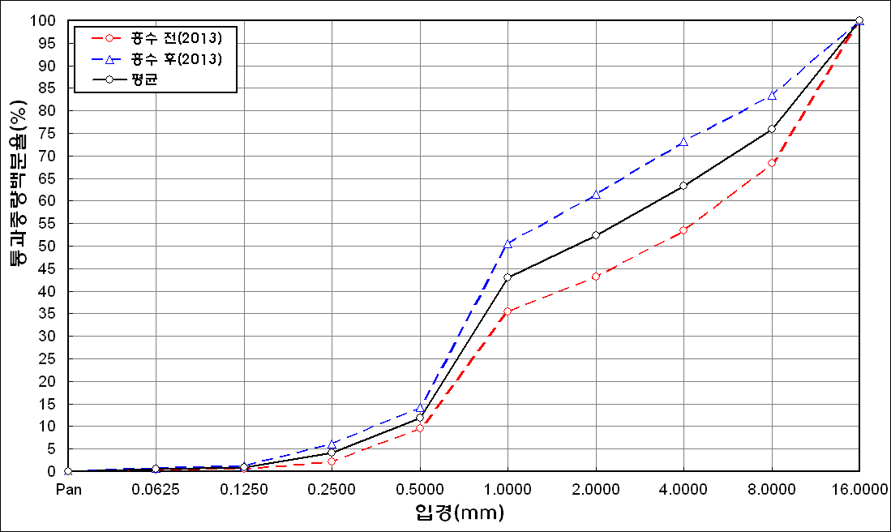
before the flood (2013)
after the flood (2013)
mean
percent passing(%)
particle size (mm)
6 | 88.89 | 7.89 | 0.4 | 0 | 0 | 0 | 0 | 0
7 | 89.04 | 8.1 | 0.5 | 0 | 0 | 0 | 0 | 0
8 | 87.84 | 6.66 | 0.72 | 0 | 0 | 0 | 0 | 0
9 | 85.02 | 8.61 | 2.09 | 0 | 0 | 0 | 0 | 0
10 | 82.95 | 10.58 | 3.28 | 0.14 | 0 | 0 | 0 | 0
11 | 83.73 | 10.18 | 3.26 | 0.23 | 0 | 0 | 0 | 0
12 | 85.25 | 9.93 | 2.12 | 0.08 | 0 | 0 | 0 | 0
13 | 85.15 | 9.29 | 2.45 | 0 | 0 | 0 | 0 | 0
14 | 80.24 | 10.92 | 4.87 | 0.57 | 0.11 | 0 | 0 | 0
15 | 80.11 | 10.79 | 4.81 | 0.82 | 0.23 | 0 | 0 | 0
16 | 81.97 | 10.43 | 3.86 | 0.24 | 0 | 0 | 0 | 0
17 | 84.69 | 11.01 | 0.9 | 0 | 0 | 0 | 0 | 0
18 | 85.92 | 8.47 | 0.82 | 0 | 0 | 0 | 0 | 0
19 | 85.14 | 7.43 | 2.7 | 0.12 | 0 | 0 | 0 | 0
20 | 83.84 | 9.31 | 2.24 | 0.15 | 0.07 | 0.22 | 0.07 | 0
21 | 82.51 | 12.64 | 1.62 | 0 | 0 | 0 | 0 | 0
22 | 83.3 | 9.6 | 3.28 | 0.03 | 0 | 0 | 0 | 0
23 | 84.87 | 9.42 | 1.19 | 0 | 0 | 0 | 0 | 0
24 | 77.01 | 11.65 | 5.97 | 1.66 | 0.67 | 0.13 | 0.01 | 0
25 | 78.76 | 10.55 | 5.84 | 1.15 | 0.2 | 0 | 0 | 0
26 | 81.13 | 9.51 | 4.34 | 0.56 | 0.03 | 0 | 0 | 0
27 | 84.73 | 11.51 | 3.39 | 0.11 | 0.07 | 0.08 | 0.03 | 0
28 | 83.8 | 10.41 | 4.87 | 0.62 | 0.11 | 0 | 0 | 0
29 | 76.44 | 13.64 | 7.93 | 1.58 | 0.29 | 0.07 | 0.01 | 0
30 | 79.88 | 13.65 | 5.38 | 0.57 | 0.18 | 0.22 | 0.11 | 0
31 | 83.75 | 12.4 | 3.69 | 0.13 | 0 | 0 | 0 | 0
mean | 83.95 | 9.94 | 2.81 | 0.31 | 0.09 | 0.1 | 0.04 | 0

* grain-size distribution of bed material (2014) _ grid sampling(Hack_1947)

* particle size distribution of suspended sediment (2014)_Laser Diffraction
 |  |  |  |  |  |  |  |  | * grain-size distribution of bed material (2014)_Sieve
No | particle size distribution of suspended sediment (%)
 | range (mm) |  |  |  |  |  |  |  | particle size time | D10 | D30 | D35 | D60 | D65 | 균등계수 Coefficient of uniformity (Cu) | 곡률계수 Coefficient of curvature (Cg)
 | 0.0020~ | 0.063~ | 0.126~ | 0.26~ | 0.51~ | 1.1~ | 2.1~ | 4.1~ | 홍수전 (before the flood) | 31.50 | 69.00 | 82.50 | 115.00 | 125.00 | 3.65 | 1.31
 | 0.062 | 0.125 | 0.25 | 0.5 | 1 | 2 | 4 | 8 | 홍수후(after the flood ) | 6.95 | 43.97 | 54.09 | 129.56 | 142.82 | 18.64 | 2.15
1 | 72.53 | 18.24 | 7.23 | 1.07 | 0.06 | 0 | 0 | 0 | 평균 (mean) | 19.23 | 56.49 | 68.30 | 122.28 | 133.91 | 6.36 | 1.36
2 | 78.04 | 15.66 | 4.98 | 0.06 | 0 | 0 | 0 | 0 | particle size time | D5 | D10 | D15 | D20 | D25 | D30 | D35 | D40 | D45 | D50 | D55 | D60 | D65 | D70 | D75 | D80 | D85 | D90 | D95 | D100
3 | 72.84 | 18.3 | 5.78 | 1.68 | 0.33 | 0.09 | 0.06 | 0 | 홍수전 (before the flood) | 10.00 | 31.50 | 45.00 | 43.00 | 63.00 | 69.00 | 82.50 | 90.00 | 97.64 | 103.33 | 106.00 | 115.00 | 125.00 | 145.00 | 148.88 | 160.00 | 164.00 | 170.56 | 175.30 | 180.00
4 | 79.69 | 12.63 | 4.3 | 0.73 | 0.01 | 0 | 0 | 0 | 홍수후 (after the flood ) | 1.18 | 6.95 | 17.03 | 27.15 | 34.72 | 43.97 | 54.09 | 91.60 | 97.64 | 103.33 | 114.35 | 129.56 | 142.82 | 148.47 | 155.65 | 162.02 | 165.16 | 170.56 | 175.28 | 180.00
5 | 65.8 | 21.62 | 8.21 | 2.27 | 0.92 | 0.32 | 0.15 | 0 | 평균 (mean) | 5.59 | 19.23 | 31.02 | 40.30 | 48.86 | 56.49 | 68.30 | 90.80 | 97.64 | 103.17 | 110.18 | 122.28 | 133.91 | 146.74 | 152.27 | 161.01 | 164.58 | 170.56 | 175.29 | 180.00
6 | 68.61 | 20.16 | 7.37 | 2.37 | 0.64 | 0 | 0 | 0
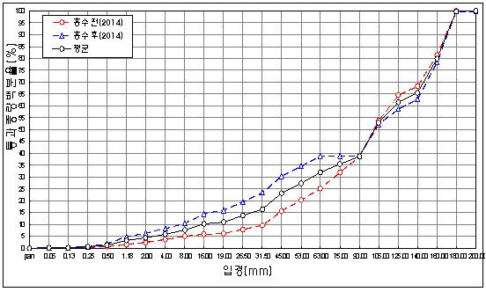
before the flood (2014)
after the flood (2014)
mean
percent passing(%)
particle size (mm)
mean | 72.92 | 17.77 | 6.31 | 1.36 | 0.33 | 0.07 | 0.04 | 0

